Option Monitor
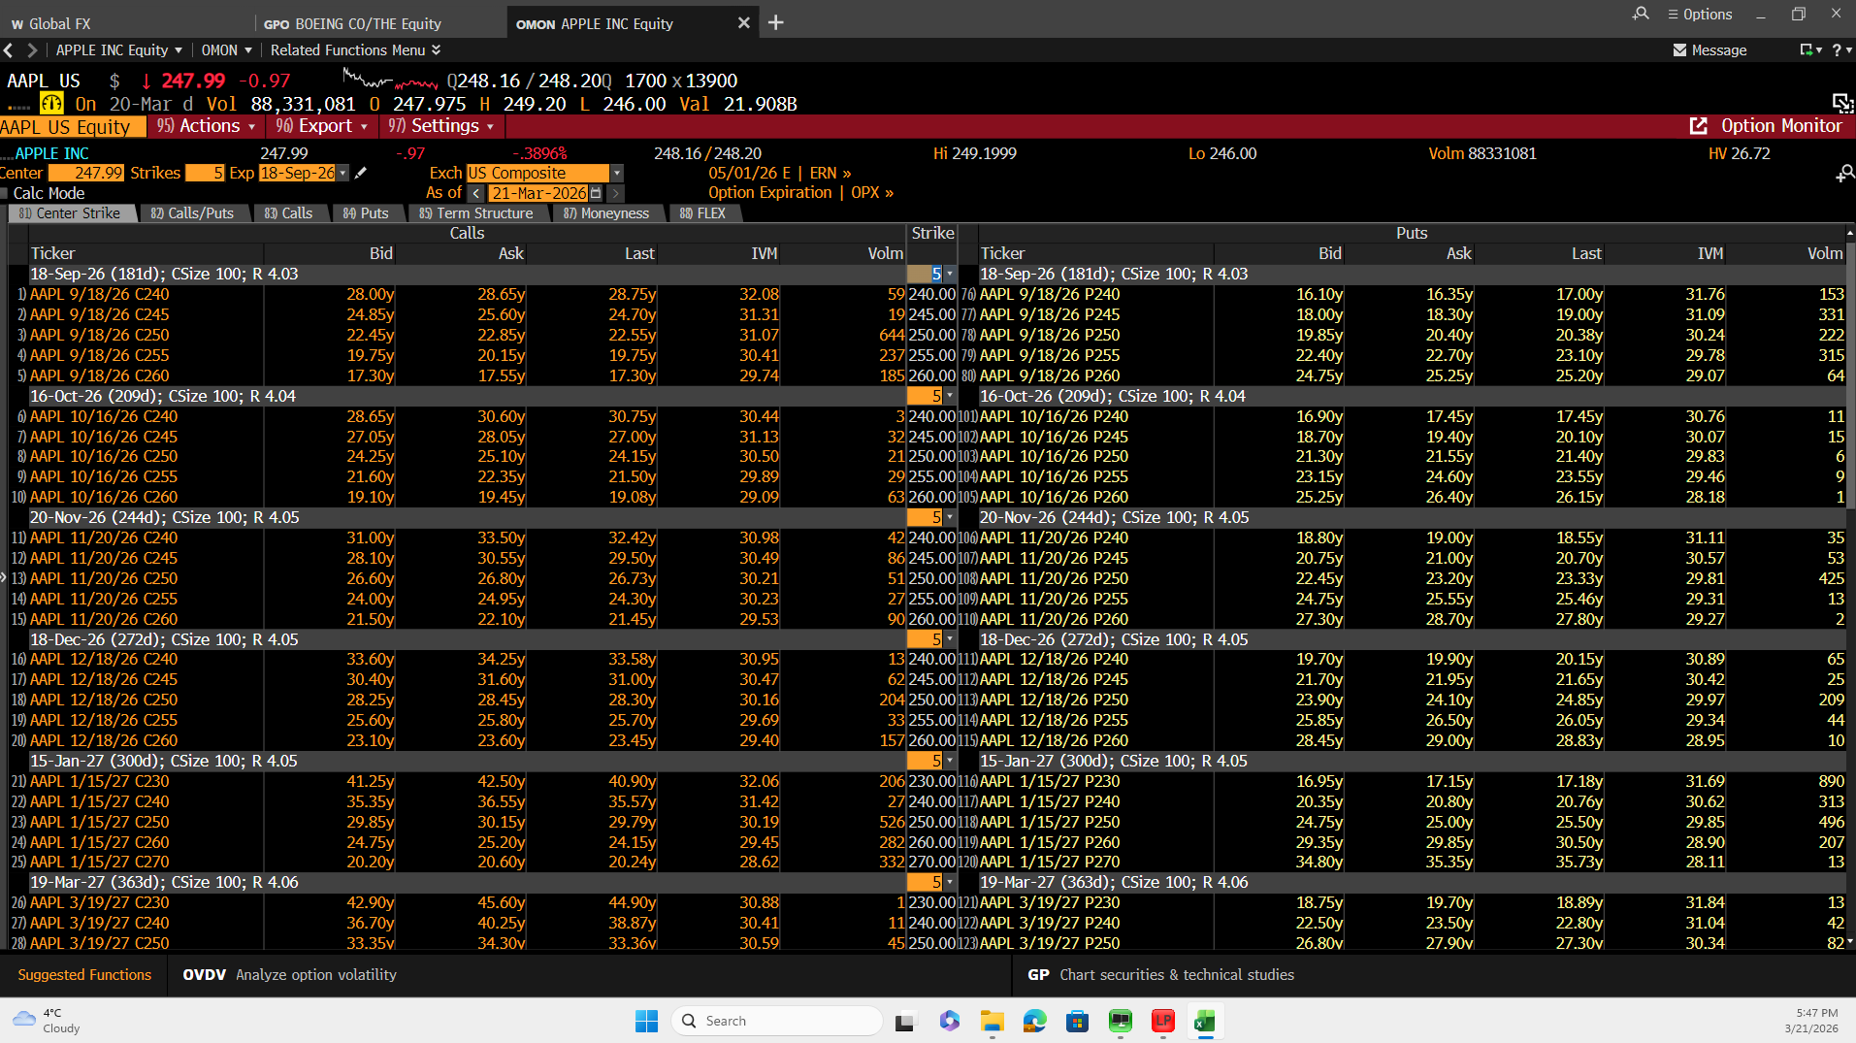
Bloomberg Evidence – Implied Volatility
Calls
Strike | Ticker | Bid | Ask | Last | IVM | Volm | Strike | Ticker | Bid | Ask | Last | IVM | Volm
18-Sep-26 (181d); CSize 100; R 4.03
240 | AAPL 9/18/26 C240 | 28 | 28.649999619 | 28.75 | 32.080051422 | 59 | 240 | AAPL 9/18/26 P240 | 16.100000381 | 16.350000381 | 17 | 31.756750107 | 153
245 | AAPL 9/18/26 C245 | 24.850000381 | 25.600000381 | 24.700000763 | 31.309640884 | 19 | 245 | AAPL 9/18/26 P245 | 18 | 18.299999237 | 19 | 31.086559296 | 331
250 | AAPL 9/18/26 C250 | 22.450000763 | 22.850000381 | 22.549999237 | 31.072490692 | 644 | 250 | AAPL 9/18/26 P250 | 19.850000381 | 20.399999619 | 20.379999161 | 30.238170624 | 222
255 | AAPL 9/18/26 C255 | 19.75 | 20.149999619 | 19.75 | 30.406589508 | 237 | 255 | AAPL 9/18/26 P255 | 22.399999619 | 22.700000763 | 23.100000381 | 29.781890869 | 315
260 | AAPL 9/18/26 C260 | 17.299999237 | 17.549999237 | 17.299999237 | 29.742340088 | 185 | 260 | AAPL 9/18/26 P260 | 24.75 | 25.25 | 25.200000763 | 29.071950912 | 64
16-Oct-26 (209d); CSize 100; R 4.04
240 | AAPL 10/16/26 C240 | 28.649999619 | 30.600000381 | 30.75 | 30.444059372 | 3 | 240 | AAPL 10/16/26 P240 | 16.899999619 | 17.450000763 | 17.450000763 | 30.755739212 | 11
245 | AAPL 10/16/26 C245 | 27.049999237 | 28.049999237 | 27 | 31.128980637 | 32 | 245 | AAPL 10/16/26 P245 | 18.700000763 | 19.399999619 | 20.100000381 | 30.067249298 | 15
250 | AAPL 10/16/26 C250 | 24.25 | 25.100000381 | 24.149999619 | 30.4958992 | 21 | 250 | AAPL 10/16/26 P250 | 21.299999237 | 21.549999237 | 21.399999619 | 29.831880569 | 6
255 | AAPL 10/16/26 C255 | 21.600000381 | 22.350000381 | 21.5 | 29.893619537 | 29 | 255 | AAPL 10/16/26 P255 | 23.149999619 | 24.600000381 | 23.549999237 | 29.463510513 | 9
260 | AAPL 10/16/26 C260 | 19.100000381 | 19.450000763 | 19.079999924 | 29.085439682 | 63 | 260 | AAPL 10/16/26 P260 | 25.25 | 26.399999619 | 26.149999619 | 28.184299469 | 1
20-Nov-26 (244d); CSize 100; R 4.05
240 | AAPL 11/20/26 C240 | 31 | 33.5 | 32.419998169 | 30.976179123 | 42 | 240 | AAPL 11/20/26 P240 | 18.799999237 | 19 | 18.549999237 | 31.112419128 | 35
245 | AAPL 11/20/26 C245 | 28.100000381 | 30.549999237 | 29.5 | 30.492740631 | 86 | 245 | AAPL 11/20/26 P245 | 20.75 | 21 | 20.700000763 | 30.568199158 | 53
250 | AAPL 11/20/26 C250 | 26.600000381 | 26.799999237 | 26.729999542 | 30.209609985 | 51 | 250 | AAPL 11/20/26 P250 | 22.450000763 | 23.200000763 | 23.329999924 | 29.808700562 | 425
255 | AAPL 11/20/26 C255 | 24 | 24.950000763 | 24.299999237 | 30.234130859 | 27 | 255 | AAPL 11/20/26 P255 | 24.75 | 25.549999237 | 25.459999084 | 29.31221962 | 13
260 | AAPL 11/20/26 C260 | 21.5 | 22.100000381 | 21.450000763 | 29.529899597 | 90 | 260 | AAPL 11/20/26 P260 | 27.299999237 | 28.700000763 | 27.799999237 | 29.273080826 | 2
18-Dec-26 (272d); CSize 100; R 4.05
240 | AAPL 12/18/26 C240 | 33.599998474 | 34.25 | 33.580001831 | 30.947900772 | 13 | 240 | AAPL 12/18/26 P240 | 19.700000763 | 19.899999619 | 20.149999619 | 30.889890671 | 65
245 | AAPL 12/18/26 C245 | 30.399999619 | 31.600000381 | 31 | 30.466789246 | 62 | 245 | AAPL 12/18/26 P245 | 21.700000763 | 21.950000763 | 21.649999619 | 30.423500061 | 25
250 | AAPL 12/18/26 C250 | 28.25 | 28.450000763 | 28.299999237 | 30.155349731 | 204 | 250 | AAPL 12/18/26 P250 | 23.899999619 | 24.100000381 | 24.850000381 | 29.965890884 | 209
255 | AAPL 12/18/26 C255 | 25.600000381 | 25.799999237 | 25.700000763 | 29.685710907 | 33 | 255 | AAPL 12/18/26 P255 | 25.850000381 | 26.5 | 26.049999237 | 29.335020065 | 44
260 | AAPL 12/18/26 C260 | 23.100000381 | 23.600000381 | 23.450000763 | 29.404449463 | 157 | 260 | AAPL 12/18/26 P260 | 28.450000763 | 29 | 28.829999924 | 28.951290131 | 10
15-Jan-27 (300d); CSize 100; R 4.05
230 | AAPL 1/15/27 C230 | 41.25 | 42.5 | 40.900001526 | 32.056629181 | 206 | 230 | AAPL 1/15/27 P230 | 16.950000763 | 17.149999619 | 17.180000305 | 31.690380096 | 890
240 | AAPL 1/15/27 C240 | 35.349998474 | 36.549999237 | 35.569999695 | 31.416820526 | 27 | 240 | AAPL 1/15/27 P240 | 20.350000381 | 20.799999237 | 20.760000229 | 30.621250153 | 313
250 | AAPL 1/15/27 C250 | 29.850000381 | 30.149999619 | 29.790000916 | 30.189060211 | 526 | 250 | AAPL 1/15/27 P250 | 24.75 | 25 | 25.5 | 29.84720993 | 496
260 | AAPL 1/15/27 C260 | 24.75 | 25.200000763 | 24.149999619 | 29.447240829 | 282 | 260 | AAPL 1/15/27 P260 | 29.350000381 | 29.850000381 | 30.5 | 28.897790909 | 207
270 | AAPL 1/15/27 C270 | 20.200000763 | 20.600000381 | 20.239999771 | 28.622060776 | 332 | 270 | AAPL 1/15/27 P270 | 34.799999237 | 35.349998474 | 35.729999542 | 28.110940933 | 13
19-Mar-27 (363d); CSize 100; R 4.06
230 | AAPL 3/19/27 C230 | 42.900001526 | 45.599998474 | 44.900001526 | 30.884679794 | 1 | 230 | AAPL 3/19/27 P230 | 18.75 | 19.700000763 | 18.88999939 | 31.836700439 | 13
240 | AAPL 3/19/27 C240 | 36.700000763 | 40.25 | 38.869998932 | 30.405170441 | 11 | 240 | AAPL 3/19/27 P240 | 22.5 | 23.5 | 22.799999237 | 31.03853035 | 42
250 | AAPL 3/19/27 C250 | 33.349998474 | 34.299999237 | 33.36000061 | 30.59485054 | 45 | 250 | AAPL 3/19/27 P250 | 26.799999237 | 27.899999619 | 27.299999237 | 30.340250015 | 82
260 | AAPL 3/19/27 C260 | 28.299999237 | 29.149999619 | 28.319999695 | 29.831069946 | 164 | 260 | AAPL 3/19/27 P260 | 30.899999619 | 32.900001526 | 31.549999237 | 29.317430496 | 23
270 | AAPL 3/19/27 C270 | 23.75 | 24.5 | 23.63999939 | 29.105859756 | 60 | 270 | AAPL 3/19/27 P270 | 37 | 37.450000763 | 36.700000763 | 28.537269592 | 16
17-Jun-27 (453d); CSize 100; R 4.04
230 | AAPL 6/17/27 C230 | 49.25 | 49.700000763 | 49.349998474 | 31.795810699 | 8 | 230 | AAPL 6/17/27 P230 | 21.299999237 | 21.549999237 | 21.600000381 | 31.44865036 | 3
240 | AAPL 6/17/27 C240 | 43.400001526 | 43.849998474 | 43.419998169 | 31.108520508 | 235 | 240 | AAPL 6/17/27 P240 | 25.100000381 | 25.350000381 | 25.36000061 | 30.692150116 | 44
250 | AAPL 6/17/27 C250 | 37.950000763 | 38.400001526 | 38.040000916 | 30.442890167 | 155 | 250 | AAPL 6/17/27 P250 | 29 | 29.75 | 29.649999619 | 29.863090515 | 25
260 | AAPL 6/17/27 C260 | 32.950000763 | 33.349998474 | 33.319999695 | 29.807830811 | 325 | 260 | AAPL 6/17/27 P260 | 34.25 | 34.599998474 | 35.049999237 | 29.424549103 | 7
270 | AAPL 6/17/27 C270 | 28.399999619 | 29.100000381 | 28.049999237 | 29.372730255 | 376 | 270 | AAPL 6/17/27 P270 | 39.549999237 | 39.950000763 | 38.849998474 | 28.803499222 | 0
17-Dec-27 (636d); CSize 100; R 4.00
240 | AAPL 12/17/27 C240 | 50.299999237 | 52.25 | 51.209999084 | 30.802499771 | 2 | 240 | AAPL 12/17/27 P240 | 28.899999619 | 29.350000381 | 28.149999619 | 30.384290695 | 0
245 | AAPL 12/17/27 C245 | 46.700000763 | 49.650001526 | 48.029998779 | 30.186050415 | 4 | 245 | AAPL 12/17/27 P245 | 31.149999619 | 31.5 | 30.799999237 | 30.140199661 | 0
250 | AAPL 12/17/27 C250 | 44.599998474 | 46.349998474 | 45 | 29.85033989 | 13 | 250 | AAPL 12/17/27 P250 | 33.349998474 | 33.799999237 | 33.529998779 | 29.873340607 | 0
255 | AAPL 12/17/27 C255 | 43.25 | 43.950000763 | 43.400001526 | 30.089500427 | 3 | 255 | AAPL 12/17/27 P255 | 35.75 | 36.150001526 | 34.700000763 | 29.616630554 | 0
260 | AAPL 12/17/27 C260 | 40.950000763 | 41.299999237 | 40.700000763 | 29.795669556 | 19 | 260 | AAPL 12/17/27 P260 | 38.200000763 | 38.650001526 | 37.919998169 | 29.366699219 | 1
21-Jan-28 (671d); CSize 100; R 4.00
230 | AAPL 1/21/28 C230 | 57.099998474 | 58.650001526 | 58.279998779 | 31.028459549 | 2 | 230 | AAPL 1/21/28 P230 | 25.600000381 | 26 | 25.940000534 | 30.904830933 | 5
240 | AAPL 1/21/28 C240 | 52.5 | 53 | 52.86000061 | 30.872409821 | 70 | 240 | AAPL 1/21/28 P240 | 29.700000763 | 30 | 30.170000076 | 30.386060715 | 18
250 | AAPL 1/21/28 C250 | 47.299999237 | 47.75 | 47.150001526 | 30.359899521 | 117 | 250 | AAPL 1/21/28 P250 | 34 | 34.5 | 34.5 | 29.847549438 | 43
260 | AAPL 1/21/28 C260 | 42.450000763 | 43.700000763 | 42.549999237 | 30.2085495 | 11 | 260 | AAPL 1/21/28 P260 | 38.950000763 | 39.349998474 | 38.950000763 | 29.400230408 | 61
270 | AAPL 1/21/28 C270 | 37.900001526 | 38.299999237 | 38.200000763 | 29.425079346 | 9 | 270 | AAPL 1/21/28 P270 | 44.200000763 | 44.700000763 | 40.669998169 | 28.950969696 | 0
17-Mar-28 (727d); CSize 100; R 3.98
230 | AAPL 3/17/28 C230 | 57.5 | 61.400001526 | 60.150001526 | 30.581529617 | 2 | 230 | AAPL 3/17/28 P230 | 26.399999619 | 26.850000381 | 26.649999619 | 30.687669754 | 10
240 | AAPL 3/17/28 C240 | 53.400001526 | 55.150001526 | 53.459999084 | 30.377849579 | 91 | 240 | AAPL 3/17/28 P240 | 30.450000763 | 30.950000763 | 30.75 | 30.201780319 | 41
250 | AAPL 3/17/28 C250 | 47 | 51.299999237 | 49.459999084 | 29.946359634 | 4 | 250 | AAPL 3/17/28 P250 | 34.900001526 | 35.450000763 | 34.950000763 | 29.731149673 | 22
260 | AAPL 3/17/28 C260 | 42.299999237 | 46.299999237 | 43.959999084 | 29.500780106 | 11 | 260 | AAPL 3/17/28 P260 | 39.75 | 40.349998474 | 38.549999237 | 29.288209915 | 0
270 | AAPL 3/17/28 C270 | 40 | 40.450000763 | 40.200000763 | 29.395719528 | 2 | 270 | AAPL 3/17/28 P270 | 45.099998474 | 45.700000763 | 44.650001526 | 28.907060623 | 0
15-Dec-28 (1000d); CSize 100; R 3.93
230 | AAPL 12/15/28 C230 | 66.050003052 | 69.949996948 | 68.330001831 | 30.002420425 | 3 | 230 | AAPL 12/15/28 P230 | 29.950000763 | 30.600000381 | 30.329999924 | 30.106870651 | 0
240 | AAPL 12/15/28 C240 | 61.049999237 | 64.699996948 | 61.509998322 | 29.734369278 | 16 | 240 | AAPL 12/15/28 P240 | 34.099998474 | 34.75 | 34.509998322 | 29.67552948 | 0
250 | AAPL 12/15/28 C250 | 57.349998474 | 59.400001526 | 58.580001831 | 29.686080933 | 8 | 250 | AAPL 12/15/28 P250 | 38.549999237 | 39.299999237 | 38.959999084 | 29.286809921 | 1
260 | AAPL 12/15/28 C260 | 52.049999237 | 55.349998474 | 53.790000916 | 29.331449509 | 106 | 260 | AAPL 12/15/28 P260 | 43.5 | 44.200000763 | 43.919998169 | 28.94285965 | 1
270 | AAPL 12/15/28 C270 | 48.799999237 | 50.049999237 | 49.349998474 | 29.087329865 | 54 | 270 | AAPL 12/15/28 P270 | 48.700000763 | 49.450000763 | 49.029998779 | 28.588850021 | 2
17-Apr-26 (27d); CSize 100; R 3.99
242.5 | AAPL 4/17/26 C242.5 | 0 | 0 | 0 |  | 0 | 242.5 | AAPL 4/17/26 P242.5 | 0 | 0 | 0 |  | 0
245 | AAPL 4/17/26 C245 | 9.75 | 10.199999809 | 9.6999998093 | 29.670829773 | 1039 | 245 | AAPL 4/17/26 P245 | 5.9000000954 | 6.0500001907 | 6.1500000954 | 28.425970078 | 935
247.5 | AAPL 4/17/26 C247.5 | 0 | 0 | 0 |  | 0 | 247.5 | AAPL 4/17/26 P247.5 | 0 | 0 | 0 |  | 0
250 | AAPL 4/17/26 C250 | 6.75 | 6.9000000954 | 6.6999998093 | 27.387769699 | 3439 | 250 | AAPL 4/17/26 P250 | 7.9000000954 | 8.1000003815 | 8.0699996948 | 26.797590256 | 1538
252.5 | AAPL 4/17/26 C252.5 | 0 | 0 | 0 |  | 0 | 252.5 | AAPL 4/17/26 P252.5 | 0 | 0 | 0 |  | 0
15-May-26 (55d); CSize 100; R 3.99
240 | AAPL 5/15/26 C240 | 17.350000381 | 17.950000763 | 17.350000381 | 32.652988434 | 182 | 240 | AAPL 5/15/26 P240 | 8.0500001907 | 8.25 | 8.2600002289 | 31.95705986 | 969
245 | AAPL 5/15/26 C245 | 14.100000381 | 14.699999809 | 14.100000381 | 31.583639145 | 260 | 245 | AAPL 5/15/26 P245 | 9.6000003815 | 9.9499998093 | 10.350000381 | 30.520809174 | 719
250 | AAPL 5/15/26 C250 | 11.199999809 | 11.600000381 | 11.25 | 30.237689972 | 1149 | 250 | AAPL 5/15/26 P250 | 11.550000191 | 12 | 12.050000191 | 29.310029984 | 459
255 | AAPL 5/15/26 C255 | 8.6000003815 | 8.75 | 8.6800003052 | 28.755170822 | 1201 | 255 | AAPL 5/15/26 P255 | 13.75 | 14.5 | 14.699999809 | 28.094530106 | 87
260 | AAPL 5/15/26 C260 | 6.4000000954 | 6.75 | 6.5 | 27.989360809 | 2953 | 260 | AAPL 5/15/26 P260 | 16.5 | 17.299999237 | 17.450000763 | 26.788629532 | 203
18-Jun-26 (89d); CSize 100; R 3.99
240 | AAPL 6/18/26 C240 | 20.799999237 | 21.600000381 | 20.770000458 | 32.611198425 | 85 | 240 | AAPL 6/18/26 P240 | 10.5 | 10.850000381 | 11.050000191 | 31.393409729 | 338
245 | AAPL 6/18/26 C245 | 17.649999619 | 18.299999237 | 17.579999924 | 31.510110855 | 362 | 245 | AAPL 6/18/26 P245 | 12.25 | 12.649999619 | 12.710000038 | 30.451509476 | 478
250 | AAPL 6/18/26 C250 | 14.699999809 | 15.25 | 14.850000381 | 30.401180267 | 555 | 250 | AAPL 6/18/26 P250 | 14.399999619 | 14.699999809 | 14.979999542 | 29.767400742 | 231
255 | AAPL 6/18/26 C255 | 12.050000191 | 12.350000381 | 11.949999809 | 29.242149353 | 327 | 255 | AAPL 6/18/26 P255 | 16.549999237 | 17.100000381 | 17.399999619 | 28.80065918 | 87
260 | AAPL 6/18/26 C260 | 9.6999998093 | 9.8999996185 | 9.6700000763 | 28.361949921 | 1429 | 260 | AAPL 6/18/26 P260 | 18.850000381 | 19.75 | 20.100000381 | 27.405229568 | 715
17-Jul-26 (118d); CSize 100; R 4.00
240 | AAPL 7/17/26 C240 | 22.75 | 23.350000381 | 23 | 31.26197052 | 7 | 240 | AAPL 7/17/26 P240 | 12.149999619 | 12.5 | 12.340000153 | 31.054430008 | 184
245 | AAPL 7/17/26 C245 | 20 | 20.649999619 | 20.049999237 | 31.167900085 | 310 | 245 | AAPL 7/17/26 P245 | 13.949999809 | 14.350000381 | 15.010000229 | 30.178600311 | 768
250 | AAPL 7/17/26 C250 | 17.049999237 | 17.700000763 | 17.049999237 | 30.267700195 | 369 | 250 | AAPL 7/17/26 P250 | 16.100000381 | 16.450000763 | 16.700000763 | 29.455730438 | 149
255 | AAPL 7/17/26 C255 | 14.399999619 | 14.649999619 | 14.350000381 | 29.160200119 | 94 | 255 | AAPL 7/17/26 P255 | 18.100000381 | 18.799999237 | 19.049999237 | 28.4646492 | 17
260 | AAPL 7/17/26 C260 | 12 | 12.199999809 | 11.960000038 | 28.467330933 | 11540 | 260 | AAPL 7/17/26 P260 | 20.850000381 | 21.399999619 | 21.649999619 | 27.838970184 | 29

Risk-Free Rate
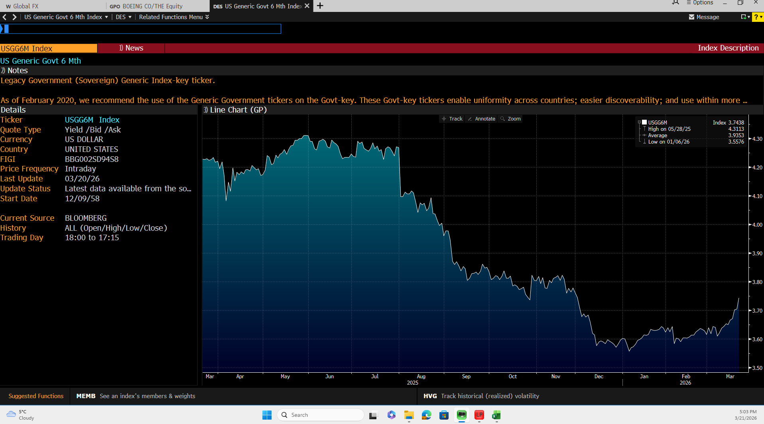
Bloomberg Evidence – Risk-Free Rate
USGG6M INDEX | 3.7438 | +0.0394

Dividend Yield
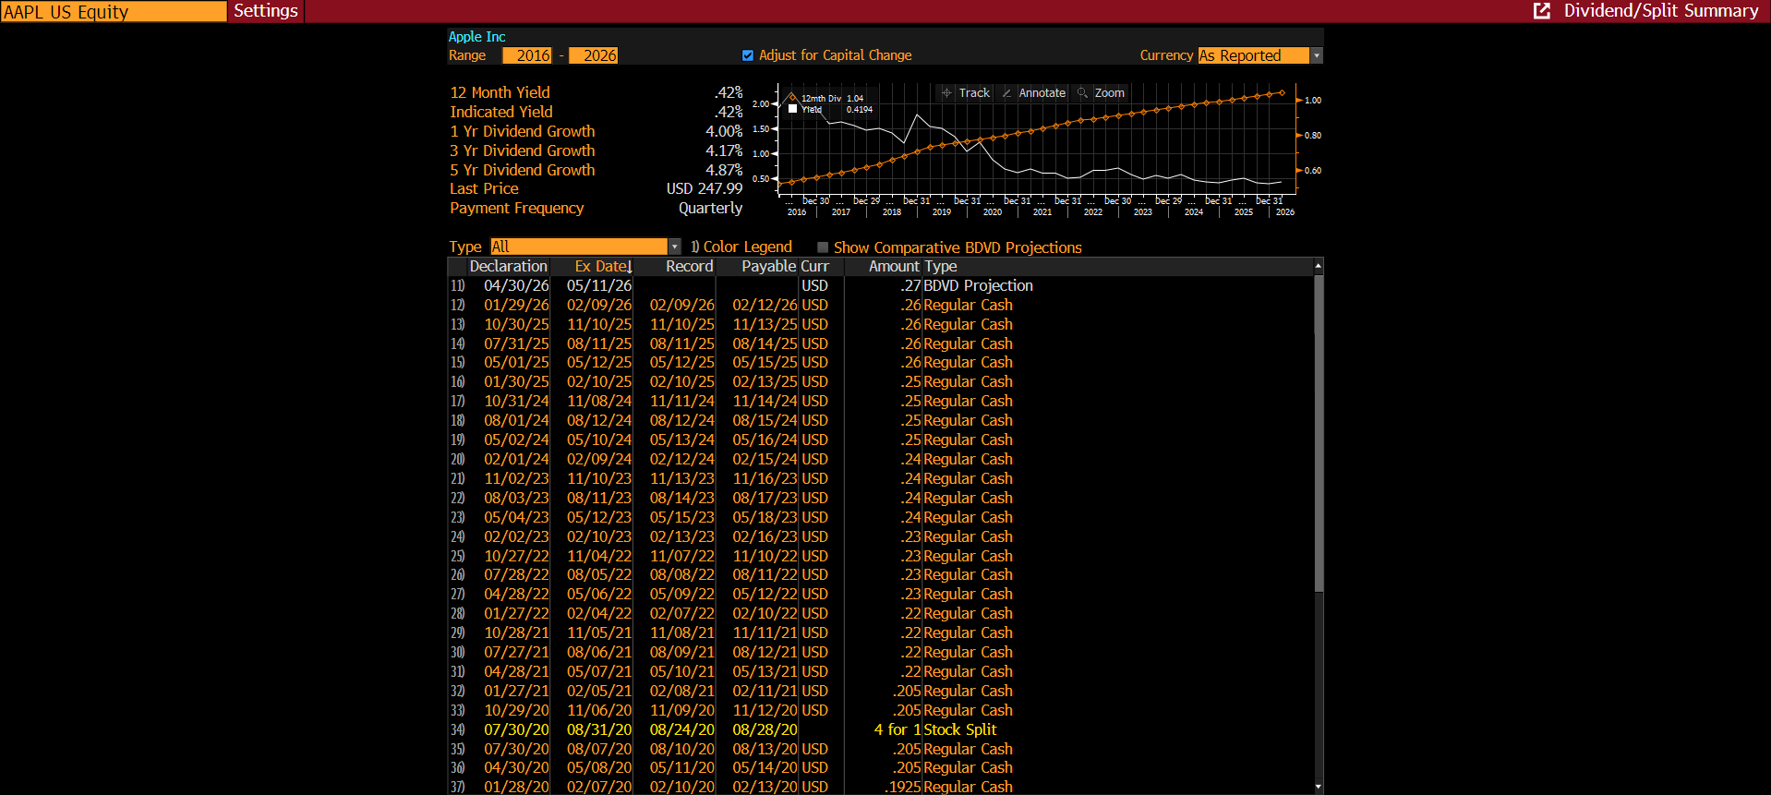
Bloomberg Evidence – Indicated Dividend Yield
Indicated Yield | 0.42%
Source Date | 2026-03-20

